Sheet1
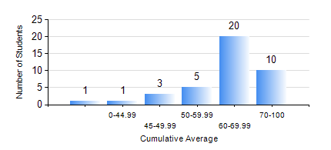
 |  |  | KWAME NKRUMAH UNIVERSITY OF SCIENCE AND TECHNOLOGY, KUMASI Department of Chemical Engineering

 |  |  | BSC. PETROCHEMICAL ENG.

 |  |  | COMPREHENSIVE RECORD OF EXAMINATION RESULTS

 |  |  | RESULTS OF YEAR 4 FIRST SEMESTER, 2018/2019 ACADEMIC YEAR

 | Sn | Course Code |  | Course Name | Credit Hours | Min. Mark | Max. Mark | Avg. Mark | Std. Dev. | No. Passed | No. Trailed | No. (Df) | No. (I) | No. (I*) | No. Tagged(I,I*,Df) | Total
 | 0. |  |  |  |  |  |  | 0 | 0 | 0 | 0 | 0 | 0 | 0 | 0 | 2
 | 1. | CHE 451 |  | CHEMICAL PROCESS DESIGN AND ECONOMICS | 4 | 21 | 89 | 62 | 16.86 | 35 | 3 | 0 | 0 | 0 | 0 | 38
 | 2. | CHE 455 |  | PROCESS CONTROL AND INSTRUMENTATION | 2 | 40 | 76 | 64 | 7.98 | 38 | 0 | 0 | 0 | 0 | 0 | 38
 | 3. | CHE 461 |  | COMPUTER OPTIMIZATION METHOD | 2 | 54 | 72 | 66 | 6.47 | 16 | 0 | 0 | 0 | 0 | 0 | 16
 | 4. | PCE 451 |  | CATALYSIS | 2 | 40 | 87 | 63 | 12.06 | 38 | 0 | 0 | 0 | 0 | 0 | 38
 | 5. | PCE 453 |  | PROJECT I | 2 | 68 | 85 | 76 | 5.3 | 38 | 0 | 0 | 0 | 0 | 0 | 38
 | 6. | PCE 455 |  | POLLUTION CONTROL IN PETROCHEMICAL INDUSTRY | 2 | 40 | 91 | 65 | 14.91 | 38 | 0 | 0 | 0 | 0 | 0 | 38
 | 7. | PCE 457 |  | CORROSION ENGINEERING | 2 | 47 | 79 | 67 | 8.88 | 38 | 0 | 0 | 0 | 0 | 0 | 38
 | 8. | PCE 461 |  | FUEL AND COMBUSTION TECHNOLOGY | 2 | 60 | 92 | 81 | 8.78 | 22 | 0 | 0 | 0 | 0 | 0 | 22

